Sheet1
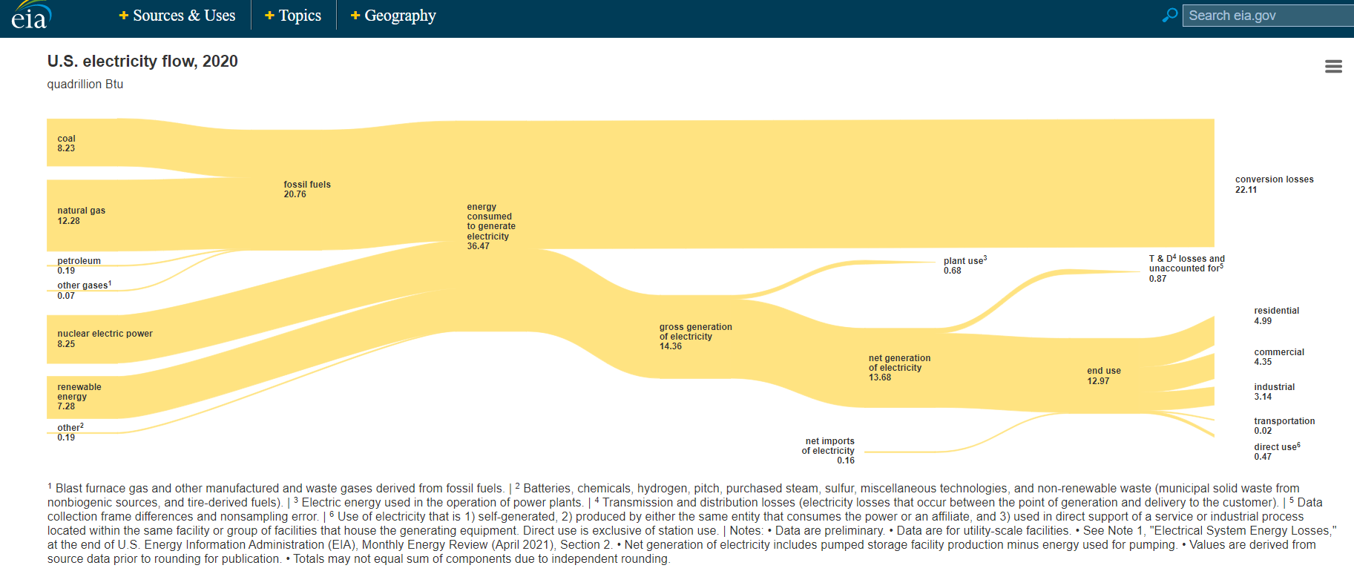
ELECTRICITY SOURCES & USES - 2020
SOURCES |  |  | USES
 | Quad BTU | % of Total |  | Quad BTU | % of Total
Coal | 8.23 | 23% | Conversion Losses | 22.11 | 60.4%
Nat Gas | 12.28 | 34% | Plant Use | 0.68 | 1.9%
Petro | 0.19 | 1% | T&D losses+Unaccounted for | 0.87 | 2.4%
Other gases | 0.07 | 0% | Residential | 4.99 | 13.6%
Nuclear | 8.25 | 23% | Commercial | 4.35 | 11.9%
Renewable | 7.28 | 20% | Industrial | 3.14 | 8.6%
Other | 0.19 | 1% | transportation | 0.02 | 0.1%
 | 36.49 | 100% | direct use | 0.47 | 1.3%
 |  |  |  | 36.63 | 100.0%
 |  |  | net elec imports | 0.16
 |  |  |  | 36.47

https://www.eia.gov/totalenergy/data/flow-graphs/electricity.php

